incumbent
 |  |  | Planetary boundary
M.D. Wakeman, April 2025 | EPFL |  | 2.2 | 2.3 | 0.0 | 2.1 | 0.2 | 0.2 | 0.2 | 3.4 | 16.8 | Looks up number in sheet "Data"
Heat Map of Impacts by SDG and PB | SDG | SimaPro Recipe 2016 (H) end point normalized result | Climate Change | Biosphere Integrity (biodiversity loss and species extinction) | Stratospheric Ozone Depletion | Ocean Acidification | Biogeochemical Flows (phosphorus and nitrogen cycles) | Land-System Change (e.g., deforestation) | Freshwater Use | Atmospheric Aerosol Loading (microscopic particles in the atmosphere that affect climate and living organisms) | Novel Entities | SimaPro ReCiPe 2016 (H) end point normalization results
Mapping SimaPro Recipe 2016 (H) end point normalization to SDGs and Planetary Boundaries
20.1 | 3 | Fine particulate matter formation | 0.00 | 0.00 | 0.00 | 0.00 | 0.00 | 0.00 | 0.00 | 3.35 | 0.00 | 3.3458316745
 | 3 | Ionizing radiation | 0.00 | 0.00 | 0.00 | 0.00 | 0.00 | 0.00 | 0.00 | 0.00 | 0.00 | 0.0016931664065
 | 3 | Ozone formation, Human health | 0.00 | 0.01 | 0.00 | 0.00 | 0.00 | 0.00 | 0.00 | 0.00 | 0.01 | 0.010448779016
 | 3 | Human carcinogenic toxicity | 0.00 | 0.00 | 0.00 | 0.00 | 0.00 | 0.00 | 0.00 | 0.00 | 1.50 | 1.5033915078
 | 3 | Human non-carcinogenic toxicity | 0.00 | 0.00 | 0.00 | 0.00 | 0.00 | 0.00 | 0.00 | 0.00 | 15.21 | 15.206772188
 | 3 | Water consumption, Human health | 0.00 | 0.00 | 0.00 | 0.00 | 0.00 | 0.00 | 0.02 | 0.00 | 0.00 | 0.019606745999
0.1 | 6 | Freshwater ecotoxicity | 0.00 | 0.05 | 0.00 | 0.00 | 0.05 | 0.00 | 0.00 | 0.00 | 0.05 | 0.048761072026
 | 6 | Water consumption, Aquatic ecosystems | 0.00 | 0.00 | 0.00 | 0.00 | 0.00 | 0.00 | 0.00 | 0.00 | 0.00 | 3.1865844202E-07
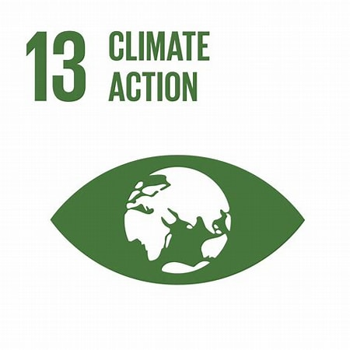 6.5 | 13 | Fossil resource scarcity | 0.10 | 0.00 | 0.00 | 0.00 | 0.00 | 0.10 | 0.10 | 0.00 | 0.00 | 0.10207146029
 | 13 | Global warming, Human health | 1.97 | 1.97 | 0.00 | 1.97 | 0.00 | 0.00 | 0.00 | 0.00 | 0.00 | 1.9748709365
 | 13 | Global warming, Terrestrial ecosystems | 0.10 | 0.10 | 0.00 | 0.10 | 0.00 | 0.00 | 0.00 | 0.00 | 0.00 | 0.096615783901
 | 13 | Global warming, Freshwater ecosystems | 0.00 | 0.00 | 0.00 | 0.00 | 0.00 | 0.00 | 0.00 | 0.00 | 0.00 | 2.6387472815E-06
 | 13 | Stratospheric ozone depletion | 0.00 | 0.00 | 0.00 | 0.00 | 0.00 | 0.00 | 0.00 | 0.00 | 0.00 | 0.0006709790973
0.2 | 14 | Freshwater eutrophication | 0.00 | 0.08 | 0.00 | 0.00 | 0.08 | 0.00 | 0.00 | 0.00 | 0.00 | 0.083572535704
 | 14 | Marine eutrophication | 0.00 | 0.00 | 0.00 | 0.00 | 0.00 | 0.00 | 0.00 | 0.00 | 0.00 | 3.6740518658E-06
 | 14 | Marine ecotoxicity | 0.00 | 0.00 | 0.00 | 0.00 | 0.00 | 0.00 | 0.00 | 0.00 | 0.01 | 0.009767109486
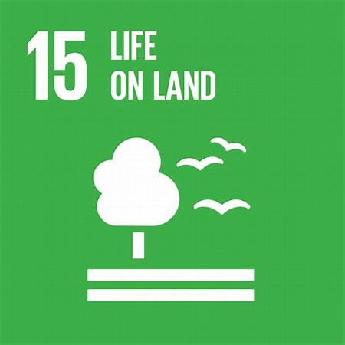 0.4 | 15 | Terrestrial acidification | 0.00 | 0.04 | 0.00 | 0.00 | 0.04 | 0.00 | 0.00 | 0.00 | 0.00 | 0.041461011992
 | 15 | Land use | 0.00 | 0.04 | 0.00 | 0.00 | 0.00 | 0.04 | 0.00 | 0.00 | 0.00 | 0.041696431342
 | 15 | Mineral resource scarcity | 0.04 | 0.00 | 0.00 | 0.00 | 0.04 | 0.04 | 0.04 | 0.00 | 0.00 | 0.042799622065
 | 15 | Ozone formation, Terrestrial ecosystems | 0.00 | 0.00 | 0.00 | 0.00 | 0.00 | 0.00 | 0.00 | 0.02 | 0.00 | 0.024467854764
 | 15 | Terrestrial ecotoxicity | 0.00 | 0.00 | 0.00 | 0.00 | 0.00 | 0.00 | 0.00 | 0.00 | 0.00 | 0.002515803486
 | 15 | Water consumption, Terrestrial ecosystem | 0.00 | 0.00 | 0.00 | 0.00 | 0.00 | 0.00 | 0.00 | 0.00 | 0.00 | 0.0023511187705

Adapted for ME-203: from (EF 2017) to Recipe (2016) H end point:
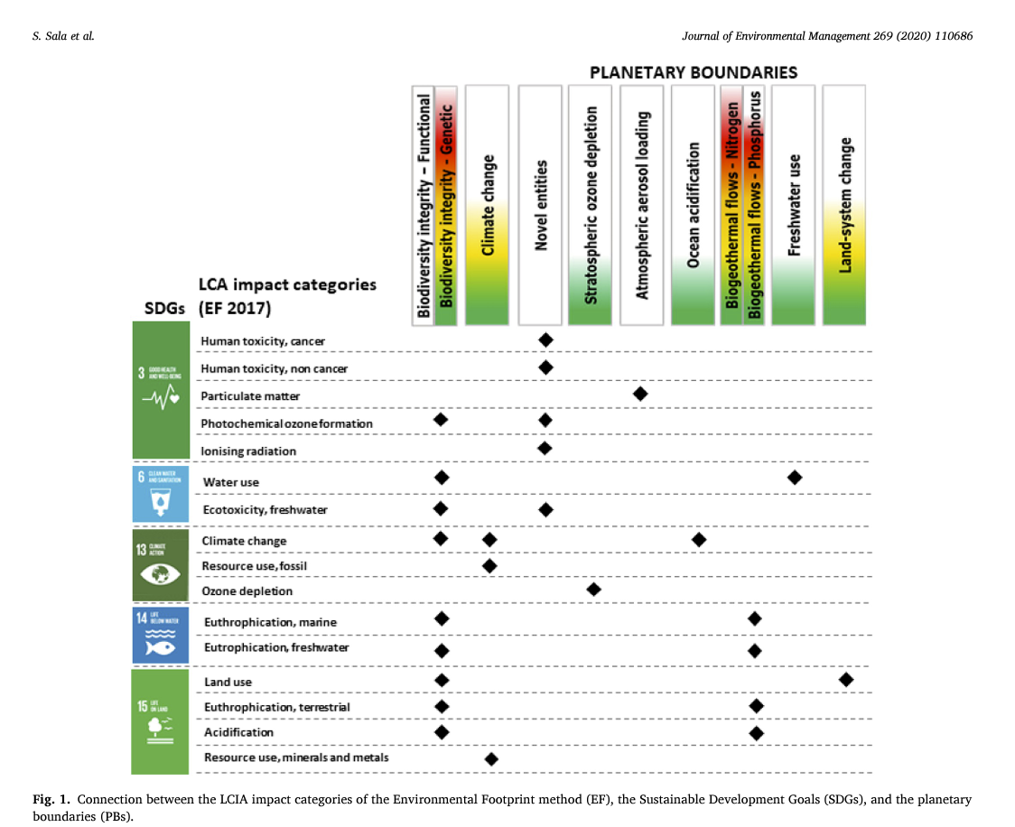

SDGs | ReCiPe 2016 (H) Impact Categories | Planetary Boundaries |  | Impact Category | Planetary Boundaries
SDG 3 | Fine particulate matter formation - Human health, Global Warming - Human health, Ionizing Radiation - Human health, Photochemical ozone formation - Human health, Stratospheric ozone depletion - Human health, Toxicity - Human health (cancer), Toxicity - Human health (non-cancer), Water consumption - human health | Biosphere integrity, Climate change, Stratospheric ozone depletion, Atmospheric aerosol loading, Biogeochemical flows (nitrogen and phosphorus cycles), Freshwater use |  | Fine particulate matter formation | Atmospheric Aerosol Loading
SDG 6 | Eutrophication - Freshwater ecosystems, Toxicity - Freshwater ecosystems, Water consumption - aquatic ecosystems | Freshwater use |  | Ionizing radiation | Novel Entities
SDG 13 | Global Warming - Freshwater ecosystems, Global Warming - Human health, Global Warming - Terrestrial ecosystems | Climate change |  | Ozone formation, Human health | Atmospheric Aerosol Loading
SDG 14 | Eutrophication - Marine ecosystems, Toxicity - Marine ecosystems | Ocean acidification, Biogeochemical flows (nitrogen and phosphorus cycles) |  | Human carcinogenic toxicity | Novel Entities
SDG 15 | Acidification - Terrestrial ecosystems, Land use - occupation and transformation, Photochemical ozone formation - Terrestrial ecosystems, Toxicity - Terrestrial ecosystems, Water consumption - terrestrial ecosystems | Biosphere integrity, Land-system change |  | Human non-carcinogenic toxicity | Novel Entities
 |  |  |  | Water consumption, Human health | Freshwater Use
 |  |  |  | Freshwater ecotoxicity | Biogeochemical Flows (Nitrogen and Phosphorus Cycles)
 |  |  |  | Water consumption, Aquatic ecosystems | Freshwater Use
 |  |  |  | Fossil resource scarcity | Climate Change, Land-System Change, Freshwater Use, Biogeochemical Flows
 |  |  |  | Global warming, Human health | Climate Change
 |  |  |  | Global warming, Terrestrial ecosystems | Climate Change
 |  |  |  | Global warming, Freshwater ecosystems | Climate Change
 |  |  |  | Stratospheric ozone depletion | Stratospheric Ozone Depletion
 |  |  |  | Freshwater eutrophication | Biogeochemical Flows (Nitrogen and Phosphorus Cycles)
 |  |  |  | Marine eutrophication | Ocean Acidification, Biogeochemical Flows (Nitrogen and Phosphorus Cycles)
 |  |  |  | Marine ecotoxicity | Novel Entities
 |  |  |  | Terrestrial acidification | Biogeochemical Flows (Nitrogen and Phosphorus Cycles)
 |  |  |  | Land use | Land-System Change
 |  |  |  | Mineral resource scarcity | Land-System Change, Freshwater Use, Biogeochemical Flows, Climate Change
 |  |  |  | Ozone formation, Terrestrial ecosystems | Atmospheric Aerosol Loading
 |  |  |  | Terrestrial ecotoxicity | Novel Entities
 |  |  |  | Water consumption, Terrestrial ecosystem | Freshwater Use

new
 |  |  | Planetary boundary
M.D. Wakeman, April 2025 | EPFL |  | 0.0 | 0.0 | 0.0 | 0.0 | 0.0 | 0.0 | 0.0 | 0.0 | 0.0 | Looks up number in sheet "Data"
Heat Map of Impacts by SDG and PB | SDG | SimaPro Recipe 2016 (H) end point normalized result | Climate Change | Biosphere Integrity (biodiversity loss and species extinction) | Stratospheric Ozone Depletion | Ocean Acidification | Biogeochemical Flows (phosphorus and nitrogen cycles) | Land-System Change (e.g., deforestation) | Freshwater Use | Atmospheric Aerosol Loading (microscopic particles in the atmosphere that affect climate and living organisms) | Novel Entities | SimaPro ReCiPe 2016 (H) end point normalization results
Mapping SimaPro Recipe 2016 (H) end point normalization to SDGs and Planetary Boundaries
0.0 | 3 | Fine particulate matter formation | 0.00 | 0.00 | 0.00 | 0.00 | 0.00 | 0.00 | 0.00 | 0.00 | 0.00 | 0.0025153853823
 | 3 | Ionizing radiation | 0.00 | 0.00 | 0.00 | 0.00 | 0.00 | 0.00 | 0.00 | 0.00 | 0.00 | 8.4364581954E-07
 | 3 | Ozone formation, Human health | 0.00 | 0.00 | 0.00 | 0.00 | 0.00 | 0.00 | 0.00 | 0.00 | 0.00 | 4.7753491111E-06
 | 3 | Human carcinogenic toxicity | 0.00 | 0.00 | 0.00 | 0.00 | 0.00 | 0.00 | 0.00 | 0.00 | 0.01 | 0.0095250022543
 | 3 | Human non-carcinogenic toxicity | 0.00 | 0.00 | 0.00 | 0.00 | 0.00 | 0.00 | 0.00 | 0.00 | 0.00 | 0.00056585362513
 | 3 | Water consumption, Human health | 0.00 | 0.00 | 0.00 | 0.00 | 0.00 | 0.00 | 0.00 | 0.00 | 0.00 | 1.3286270572E-05
0.0 | 6 | Freshwater ecotoxicity | 0.00 | 0.00 | 0.00 | 0.00 | 0.00 | 0.00 | 0.00 | 0.00 | 0.00 | 2.684735752E-06
 | 6 | Water consumption, Aquatic ecosystems | 0.00 | 0.00 | 0.00 | 0.00 | 0.00 | 0.00 | 0.00 | 0.00 | 0.00 | 2.5170907571E-10
0.0 | 13 | Fossil resource scarcity | 0.00 | 0.00 | 0.00 | 0.00 | 0.00 | 0.00 | 0.00 | 0.00 | 0.00 | 8.3426515633E-05
 | 13 | Global warming, Human health | 0.00 | 0.00 | 0.00 | 0.00 | 0.00 | 0.00 | 0.00 | 0.00 | 0.00 | 0.0019551596228
 | 13 | Global warming, Terrestrial ecosystems | 0.00 | 0.00 | 0.00 | 0.00 | 0.00 | 0.00 | 0.00 | 0.00 | 0.00 | 9.5656328914E-05
 | 13 | Global warming, Freshwater ecosystems | 0.00 | 0.00 | 0.00 | 0.00 | 0.00 | 0.00 | 0.00 | 0.00 | 0.00 | 2.6123982821E-09
 | 13 | Stratospheric ozone depletion | 0.00 | 0.00 | 0.00 | 0.00 | 0.00 | 0.00 | 0.00 | 0.00 | 0.00 | 2.9458588848E-07
0.0 | 14 | Freshwater eutrophication | 0.00 | 0.00 | 0.00 | 0.00 | 0.00 | 0.00 | 0.00 | 0.00 | 0.00 | 1.5150303608E-05
 | 14 | Marine eutrophication | 0.00 | 0.00 | 0.00 | 0.00 | 0.00 | 0.00 | 0.00 | 0.00 | 0.00 | 1.6201009751E-09
 | 14 | Marine ecotoxicity | 0.00 | 0.00 | 0.00 | 0.00 | 0.00 | 0.00 | 0.00 | 0.00 | 0.00 | 5.9491948289E-07
0.0 | 15 | Terrestrial acidification | 0.00 | 0.00 | 0.00 | 0.00 | 0.00 | 0.00 | 0.00 | 0.00 | 0.00 | 2.9796054025E-05
 | 15 | Land use | 0.00 | 0.00 | 0.00 | 0.00 | 0.00 | 0.00 | 0.00 | 0.00 | 0.00 | 1.2144732313E-05
 | 15 | Mineral resource scarcity | 0.00 | 0.00 | 0.00 | 0.00 | 0.00 | 0.00 | 0.00 | 0.00 | 0.00 | 1.3573616488E-05
 | 15 | Ozone formation, Terrestrial ecosystems | 0.00 | 0.00 | 0.00 | 0.00 | 0.00 | 0.00 | 0.00 | 0.00 | 0.00 | 1.1189086712E-05
 | 15 | Terrestrial ecotoxicity | 0.00 | 0.00 | 0.00 | 0.00 | 0.00 | 0.00 | 0.00 | 0.00 | 0.00 | 2.9796495331E-06
 | 15 | Water consumption, Terrestrial ecosystem | 0.00 | 0.00 | 0.00 | 0.00 | 0.00 | 0.00 | 0.00 | 0.00 | 0.00 | 1.5893917126E-06

Adapted for MSE-433: from (EF 2017) to Recipe (2016) H end point:

SDGs | ReCiPe 2016 (H) Impact Categories | Planetary Boundaries |  | Impact Category | Planetary Boundaries
SDG 3 | Fine particulate matter formation - Human health, Global Warming - Human health, Ionizing Radiation - Human health, Photochemical ozone formation - Human health, Stratospheric ozone depletion - Human health, Toxicity - Human health (cancer), Toxicity - Human health (non-cancer), Water consumption - human health | Biosphere integrity, Climate change, Stratospheric ozone depletion, Atmospheric aerosol loading, Biogeochemical flows (nitrogen and phosphorus cycles), Freshwater use |  | Fine particulate matter formation | Atmospheric Aerosol Loading
SDG 6 | Eutrophication - Freshwater ecosystems, Toxicity - Freshwater ecosystems, Water consumption - aquatic ecosystems | Freshwater use |  | Ionizing radiation | Novel Entities
SDG 13 | Global Warming - Freshwater ecosystems, Global Warming - Human health, Global Warming - Terrestrial ecosystems | Climate change |  | Ozone formation, Human health | Atmospheric Aerosol Loading
SDG 14 | Eutrophication - Marine ecosystems, Toxicity - Marine ecosystems | Ocean acidification, Biogeochemical flows (nitrogen and phosphorus cycles) |  | Human carcinogenic toxicity | Novel Entities
SDG 15 | Acidification - Terrestrial ecosystems, Land use - occupation and transformation, Photochemical ozone formation - Terrestrial ecosystems, Toxicity - Terrestrial ecosystems, Water consumption - terrestrial ecosystems | Biosphere integrity, Land-system change |  | Human non-carcinogenic toxicity | Novel Entities
 |  |  |  | Water consumption, Human health | Freshwater Use
 |  |  |  | Freshwater ecotoxicity | Biogeochemical Flows (Nitrogen and Phosphorus Cycles)
 |  |  |  | Water consumption, Aquatic ecosystems | Freshwater Use
 |  |  |  | Fossil resource scarcity | Climate Change, Land-System Change, Freshwater Use, Biogeochemical Flows
 |  |  |  | Global warming, Human health | Climate Change
 |  |  |  | Global warming, Terrestrial ecosystems | Climate Change
 |  |  |  | Global warming, Freshwater ecosystems | Climate Change
 |  |  |  | Stratospheric ozone depletion | Stratospheric Ozone Depletion
 |  |  |  | Freshwater eutrophication | Biogeochemical Flows (Nitrogen and Phosphorus Cycles)
 |  |  |  | Marine eutrophication | Ocean Acidification, Biogeochemical Flows (Nitrogen and Phosphorus Cycles)
 |  |  |  | Marine ecotoxicity | Novel Entities
 |  |  |  | Terrestrial acidification | Biogeochemical Flows (Nitrogen and Phosphorus Cycles)
 |  |  |  | Land use | Land-System Change
 |  |  |  | Mineral resource scarcity | Land-System Change, Freshwater Use, Biogeochemical Flows, Climate Change
 |  |  |  | Ozone formation, Terrestrial ecosystems | Atmospheric Aerosol Loading
 |  |  |  | Terrestrial ecotoxicity | Novel Entities
 |  |  |  | Water consumption, Terrestrial ecosystem | Freshwater Use

