incumbent
 |  |  | Planetary boundary
M.D. Wakeman, April 2025 | EPFL |  | 2.2 | 2.3 | 0.0 | 2.1 | 0.2 | 0.2 | 0.2 | 3.4 | 16.8 | Looks up number in sheet "Data"
Heat Map of Impacts by SDG and PB | SDG | SimaPro Recipe 2016 (H) end point normalized result | Climate Change | Biosphere Integrity (biodiversity loss and species extinction) | Stratospheric Ozone Depletion | Ocean Acidification | Biogeochemical Flows (phosphorus and nitrogen cycles) | Land-System Change (e.g., deforestation) | Freshwater Use | Atmospheric Aerosol Loading (microscopic particles in the atmosphere that affect climate and living organisms) | Novel Entities | SimaPro ReCiPe 2016 (H) end point normalization results
Mapping SimaPro Recipe 2016 (H) end point normalization to SDGs and Planetary Boundaries
20.1 | 3 | Fine particulate matter formation | 0.00 | 0.00 | 0.00 | 0.00 | 0.00 | 0.00 | 0.00 | 3.35 | 0.00 | 3.3458316745
 | 3 | Ionizing radiation | 0.00 | 0.00 | 0.00 | 0.00 | 0.00 | 0.00 | 0.00 | 0.00 | 0.00 | 0.0016931664065
 | 3 | Ozone formation, Human health | 0.00 | 0.01 | 0.00 | 0.00 | 0.00 | 0.00 | 0.00 | 0.00 | 0.01 | 0.010448779016
 | 3 | Human carcinogenic toxicity | 0.00 | 0.00 | 0.00 | 0.00 | 0.00 | 0.00 | 0.00 | 0.00 | 1.50 | 1.5033915078
 | 3 | Human non-carcinogenic toxicity | 0.00 | 0.00 | 0.00 | 0.00 | 0.00 | 0.00 | 0.00 | 0.00 | 15.21 | 15.206772188
 | 3 | Water consumption, Human health | 0.00 | 0.00 | 0.00 | 0.00 | 0.00 | 0.00 | 0.02 | 0.00 | 0.00 | 0.019606745999
0.1 | 6 | Freshwater ecotoxicity | 0.00 | 0.05 | 0.00 | 0.00 | 0.05 | 0.00 | 0.00 | 0.00 | 0.05 | 0.048761072026
 | 6 | Water consumption, Aquatic ecosystems | 0.00 | 0.00 | 0.00 | 0.00 | 0.00 | 0.00 | 0.00 | 0.00 | 0.00 | 3.1865844202E-07
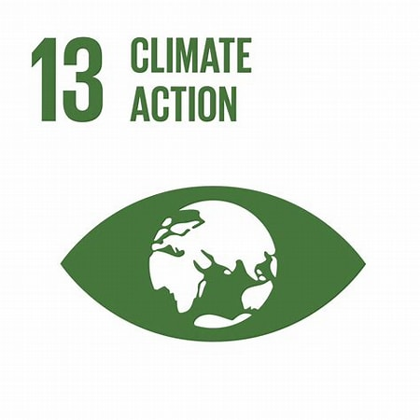 6.5 | 13 | Fossil resource scarcity | 0.10 | 0.00 | 0.00 | 0.00 | 0.00 | 0.10 | 0.10 | 0.00 | 0.00 | 0.10207146029
 | 13 | Global warming, Human health | 1.97 | 1.97 | 0.00 | 1.97 | 0.00 | 0.00 | 0.00 | 0.00 | 0.00 | 1.9748709365
 | 13 | Global warming, Terrestrial ecosystems | 0.10 | 0.10 | 0.00 | 0.10 | 0.00 | 0.00 | 0.00 | 0.00 | 0.00 | 0.096615783901
 | 13 | Global warming, Freshwater ecosystems | 0.00 | 0.00 | 0.00 | 0.00 | 0.00 | 0.00 | 0.00 | 0.00 | 0.00 | 2.6387472815E-06
 | 13 | Stratospheric ozone depletion | 0.00 | 0.00 | 0.00 | 0.00 | 0.00 | 0.00 | 0.00 | 0.00 | 0.00 | 0.0006709790973
0.2 | 14 | Freshwater eutrophication | 0.00 | 0.08 | 0.00 | 0.00 | 0.08 | 0.00 | 0.00 | 0.00 | 0.00 | 0.083572535704
 | 14 | Marine eutrophication | 0.00 | 0.00 | 0.00 | 0.00 | 0.00 | 0.00 | 0.00 | 0.00 | 0.00 | 3.6740518658E-06
 | 14 | Marine ecotoxicity | 0.00 | 0.00 | 0.00 | 0.00 | 0.00 | 0.00 | 0.00 | 0.00 | 0.01 | 0.009767109486
0.4 | 15 | Terrestrial acidification | 0.00 | 0.04 | 0.00 | 0.00 | 0.04 | 0.00 | 0.00 | 0.00 | 0.00 | 0.041461011992
 | 15 | Land use | 0.00 | 0.04 | 0.00 | 0.00 | 0.00 | 0.04 | 0.00 | 0.00 | 0.00 | 0.041696431342
 | 15 | Mineral resource scarcity | 0.04 | 0.00 | 0.00 | 0.00 | 0.04 | 0.04 | 0.04 | 0.00 | 0.00 | 0.042799622065
 | 15 | Ozone formation, Terrestrial ecosystems | 0.00 | 0.00 | 0.00 | 0.00 | 0.00 | 0.00 | 0.00 | 0.02 | 0.00 | 0.024467854764
 | 15 | Terrestrial ecotoxicity | 0.00 | 0.00 | 0.00 | 0.00 | 0.00 | 0.00 | 0.00 | 0.00 | 0.00 | 0.002515803486
 | 15 | Water consumption, Terrestrial ecosystem | 0.00 | 0.00 | 0.00 | 0.00 | 0.00 | 0.00 | 0.00 | 0.00 | 0.00 | 0.0023511187705

Adapted for MSE-433: from (EF 2017) to Recipe (2016) H end point:
