Cost Calculation
Simple technical cost model | Process Totals | Die casting | Punching | Machining
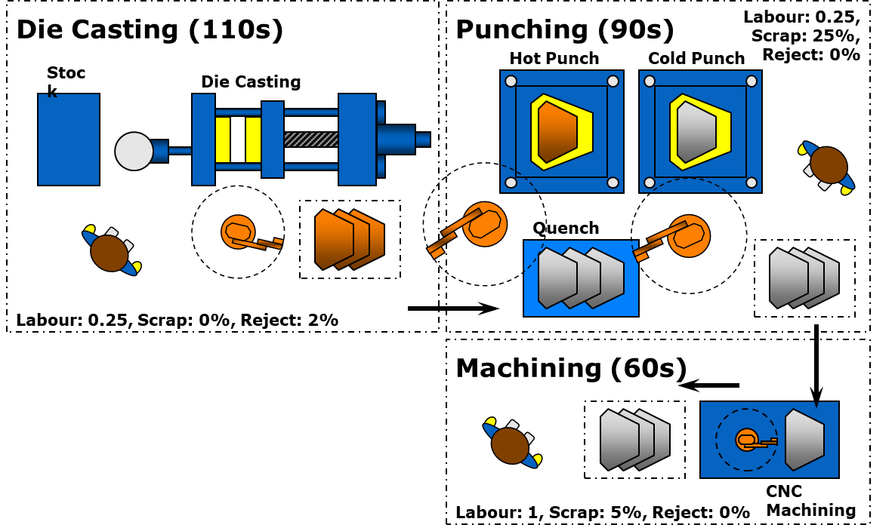
Process Goals
Material 1 mass per part (kg) | 2.2
Material 2 mass per part (kg)
Target production rate (p/yr) | 120,000
Production duration (yrs) | 5

Dashboard
Hours per shift (hrs/d/sh) | 7.3
Days per year (d/yr) | 220
Available shift operational time at 100% efficiency (hr/yr/shift) |  | 1,606 | 1,606 | 1,606
Time efficiency (.) |  | 80% | 80% | 80%
Available shift operational time (hr/yr/shift) |  | 1,285 | 1,285 | 1,285
Cycle time (s/p) |  | 110 | 90 | 60
Available shift production rate (p/yr/sh) |  | 42,048 | 51,392 | 77,088
Required production rate OUT (p/yr) |  | 120,000 | 120,000 | 120,000
Reject (.) |  | 5% | 0% | 2%
Actual production rate IN (p/yr) |  | 125,654 | 120,000 | 122,449
Single shift utilisation (.) |  | 2.99 | 2.33 | 1.59
No of shifts required (sh) | 3 | 3 | 3 | 2
Max no of shifts (sh) | 3 | 3 | 3 | 3
No of shifts employed (sh) |  | 3 | 3 | 2
Available production rate (p/yr) |  | 126,144 | 154,176 | 154,176
Actual utilisation rate (.) MUST BE < 1 | 1.00 | 1.00 | 0.78 | 0.79
Available operational time (hrs/yr) |  | 4,818 | 4,818 | 3,212
Actual operational time (hrs/yr) |  | 4,799 | 3,750 | 2,551
Dedicated / Utilised |  | dedicated | dedicated | dedicated
Effective utilisation (.) |  | 1.00 | 1.00 | 1.00

Material 1 Cost
Material mass per part OUT (kg/p) |  | 3.09 | 2.32 | 2.20
Scrap (.) |  | 0% | 25% | 5%
Material mass per part IN (kg/p) |  | 3.09 | 3.09 | 2.32
Material mass IN per year (kg/yr) |  | 387,986 | 370,526 | 283,566
Material cost (€/kg) |  | 3.2 | 0 | 0
Annual material cost IN (€/yr) |  | 1,241,554 | 0 | 0
Material 1 value IN (€/p) | 10.35 | 10.35 | 0.00 | 0.00

Material 2 Cost
Material mass per part OUT (kg/p)
Scrap (.)
Material mass per part IN (kg/p)
Material mass IN per year (kg/yr)
Material cost (€/kg)
Annual material cost IN (€/yr)
Material 2 value IN (€/p)

Equipment Cost

Time until replacement (yrs) |  | 7 | 7 | 7 | ?
Depreciation time (yrs) |  | 7 | 7 | 7 | ?
Equipment capital cost (€) | 1,375,000 | 975,000 | 80,000 | 320,000
Annual depreciation cost (€/yr) |  | 139,286 | 11,429 | 45,714
Process depreciation cost /€/yr) |  | 139,286 | 11,429 | 45,714
Machine depreciation (€/p) | 1.64 | 1.16 | 0.10 | 0.38

Tooling Cost
Total no of shots in process (shts) |  | 628,272 | 600,000 | 612,245
Tool life in shots (shts) |  | 250,000 | 500,000 | 1,000,000,000
No of Tools (tls) |  | 3 | 2 | 1
Tool cost (€/tl) |  | 260,000 | 20,000 | 0
Total tool cost (€) | 820,000 | 780,000 | 40,000 | 0
Annual tool cost (€/yr) |  | 156,000 | 8,000 | 0
Tool cost (€/p) | 1.37 | 1.30 | 0.07 | 0.00

Plant Operation
Plant operating cost (€/m2/yr) | 140
Plant area (m2) |  | 250 | 100 | 45
Full plant operating cost (€/yr) |  | 35,000 | 14,000 | 6,300
Annual plant operating cost (€/yr) |  | 35,000 | 14,000 | 6,300
Plant operating cost (€/p) | 0.46 | 0.29 | 0.12 | 0.05

Energy
Energy cost (€/kWh) | 0.18
Machine power (kW) |  | 200 | 90 | 50
Energy cost (€/hr) |  | 36 | 16.2 | 9
Annual energy cost (€/yr) |  | 172,775 | 60,750 | 22,959
Energy cost (€/p) | 2.14 | 1.44 | 0.51 | 0.19

Labour
Direct labour cost per person (€/hr) | 48
Annual direct labour cost (€/yr) |  | 230,366 | 180,000 | 122,449
Direct labour cost per person (€/p/pn) |  | 1.92 | 1.50 | 1.02
No of direct persons (pns) |  | 0.25 | 0.25 | 1.00
Direct labour cost (€/p) | 1.88 | 0.48 | 0.37 | 1.02

Indirect labour cost per person (€/hr) | 56
Annual direct labour cost (€/yr) |  | 268,761 | 210,000 | 142,857
Indirect labour cost per person (€/p/pn) |  | 2.24 | 1.75 | 1.19
Direct / Indirect labour ratio (.) |  | 0.75 | 0.75 | 0.75
No of indirect persons (pns) |  | 0.19 | 0.19 | 0.75
Indirect labour cost (€/p) | 1.64 | 0.42 | 0.33 | 0.89

Labour cost (€/p) | 3.52 | 0.90 | 0.70 | 1.91

Consumables
Consumables cost per direct labour person (€/hr) | 1
Annual consumables cost (€/yr) |  | 4,799 | 3,750 | 2,551
Consumables cost per person (€/p/pn) |  | 0.04 | 0.03 | 0.02
Consumables cost (€/p) | 0.04 | 0.01 | 0.01 | 0.02

Total Cost (€/p) | 19.50 | 15.45 | 1.50 | 2.56

Summary

Machine Dashboard
No of shifts employed (sh) |  | 3 | 3 | 2
No of Tools (tls) |  | 3 | 2 | 1
Available production rate (p/yr) |  | 126,144 | 154,176 | 154,176
Actual utilisation rate (.) MUST BE < 1 |  | 1.00 | 0.78 | 0.79

Cost Summary
Material 1 value IN (€/p) | € 10.3 | € 10.35 | € 0.00 | € 0.00
Material 2 value IN (€/p) | € 0.0 | € 0.00 | € 0.00 | € 0.00
Machine depreciation (€/p) | € 1.6 | € 1.16 | € 0.10 | € 0.38
Tool cost (€/p) | € 1.4 | € 1.30 | € 0.07 | € 0.00
Plant operating cost (€/p) | € 0.5 | € 0.29 | € 0.12 | € 0.05
Energy cost (€/p) | € 2.1 | € 1.44 | € 0.51 | € 0.19
Labour cost (€/p) | € 3.5 | € 0.90 | € 0.70 | € 1.91
Consumables cost (€/p) | € 0.0 | € 0.01 | € 0.01 | € 0.02
Total Cost (€/p) | € 19.5 | € 15.45 | € 1.50 | € 2.56

CAPEX summary | 1,375,000
CAWC factor | 1.5 | x
CAPEX+CAWC | 2,062,500
Tooling cost | 820,000

Volume Sensitivity
Volume Sensitivity | ok | check maximum volume
 | Current calculation | Data table (DO NOT exceed cell maximum volume in data table!)
label |  | seg 1 | seg 2 | seg 3 | label 4 | label 5 | label 6 | label 7 | label 8 | label 9 | label 10 | label 11 | label 12 | label 13 | label 14 | label 15
Production Volume | 120,000 | 10,000 | 15,000 | 20,000 | 25,000 | 30,000 | 35,000 | 40,000 | 50,000 | 60,000 | 70,000 | 80,000 | 90,000 | 100,000 | 110,000 | 120,000
Material 1 value IN (€/p) | 10.35 | 10.35 | € 10.35 | € 10.35 | 10.35 | 10.35 | 10.35 | 10.35 | 10.35 | 10.35 | 10.35 | 10.35 | 10.35 | 10.35 | 10.35 | 10.35
Material 2 value IN (€/p) | 0.00 | 0.00 | € 0.00 | € 0.00 | 0.00 | 0.00 | 0.00 | 0.00 | 0.00 | 0.00 | 0.00 | 0.00 | 0.00 | 0.00 | 0.00 | 0.00
Machine depreciation (€/p) | 1.64 | 19.64 | € 13.10 | € 9.82 | 7.86 | 6.55 | 5.61 | 4.91 | 3.93 | 3.27 | 2.81 | 2.46 | 2.18 | 1.96 | 1.79 | 1.64
Tool cost (€/p) | 1.37 | 5.60 | € 3.73 | € 2.80 | 2.24 | 1.87 | 1.60 | 1.40 | 2.16 | 1.80 | 1.54 | 1.35 | 1.20 | 1.60 | 1.49 | 1.37
Plant operating cost (€/p) | 0.46 | 5.53 | € 3.69 | € 2.77 | 2.21 | 1.84 | 1.58 | 1.38 | 1.11 | 0.92 | 0.79 | 0.69 | 0.61 | 0.55 | 0.50 | 0.46
Energy cost (€/p) | 2.14 | 2.14 | € 2.14 | € 2.14 | 2.14 | 2.14 | 2.14 | 2.14 | 2.14 | 2.14 | 2.14 | 2.14 | 2.14 | 2.14 | 2.14 | 2.14
Labour cost (€/p) | 3.52 | 3.52 | € 3.52 | € 3.52 | 3.52 | 3.52 | 3.52 | 3.52 | 3.52 | 3.52 | 3.52 | 3.52 | 3.52 | 3.52 | 3.52 | 3.52
Consumables cost (€/p) | 0.04 | 0.04 | € 0.04 | € 0.04 | 0.04 | 0.04 | 0.04 | 0.04 | 0.04 | 0.04 | 0.04 | 0.04 | 0.04 | 0.04 | 0.04 | 0.04
Total Cost (€/p) | 19.50 | 46.81 | € 36.55 | € 31.43 | 28.35 | 26.30 | 24.83 | 23.73 | 23.23 | 22.03 | 21.18 | 20.54 | 20.04 | 20.16 | 19.82 | 19.50
 |  | 0 | 0 | 0 | 0 | 0 | 0 | 0 | 0 | 0 | 0 | 0 | 0 | 0 | 0 | 0
Shifts M1 | 3 | 1 | 1 | 1 | 1 | 1 | 1 | 1 | 2 | 2 | 2 | 2 | 3 | 3 | 3 | 3
Shifts M2 | 3 | 1 | 1 | 1 | 1 | 1 | 1 | 1 | 1 | 2 | 2 | 2 | 2 | 2 | 3 | 3
Shifts M3 | 2 | 1 | 1 | 1 | 1 | 1 | 1 | 1 | 1 | 1 | 1 | 2 | 2 | 2 | 2 | 2
 |  | 0 | 0 | 0 | 0 | 0 | 0 | 0 | 0 | 0 | 0 | 0 | 0 | 0 | 0 | 0
Tools M1 | 3 | 1 | 1 | 1 | 1 | 1 | 1 | 1 | 2 | 2 | 2 | 2 | 2 | 3 | 3 | 3
Tools M2 | 2 | 1 | 1 | 1 | 1 | 1 | 1 | 1 | 1 | 1 | 1 | 1 | 1 | 1 | 2 | 2
Tools M3 | 1 | 1 | 1 | 1 | 1 | 1 | 1 | 1 | 1 | 1 | 1 | 1 | 1 | 1 | 1 | 1
 |  | 0 | 0 | 0 | 0 | 0 | 0 | 0 | 0 | 0 | 0 | 0 | 0 | 0 | 0 | 0
Utilisation M1 | 1.00 | 0.25 | 0.37 | 0.50 | 0.62 | 0.75 | 0.87 | 1.00 | 0.62 | 0.75 | 0.87 | 1.00 | 0.75 | 0.83 | 0.91 | 1.00
Utilisation M2 | 0.78 | 0.19 | 0.29 | 0.39 | 0.49 | 0.58 | 0.68 | 0.78 | 0.97 | 0.58 | 0.68 | 0.78 | 0.88 | 0.97 | 0.71 | 0.78
Utilisation M3 | 0.79 | 0.13 | 0.20 | 0.26 | 0.33 | 0.40 | 0.46 | 0.53 | 0.66 | 0.79 | 0.93 | 0.53 | 0.60 | 0.66 | 0.73 | 0.79

