Conventional Sewer
Horizontal allignment

Pipe | X | Y
1.1 | -200 | 0
 | 0 | 0
2.1 | 0 | 190
 | 0 | 0
3.1 | 170 | 190
 | 170 | 50
1.2 | 0 | 0
 | 170 | 50
1.3 | 170 | 50
 | 240 | 50

Calculations:
ks (m) | 0.0006
v (m2/s) | 0.00000114
Pipe Number | Length (m) | Gradient (-) | Contributing Area (m2) | Sum Area (m2 | Diameter (mm) | Pipe Velocity (m/s) | Pipe capacity Qf (l/s) | tf (min) | t conc = te + tf (min) | Rainfall intensity (mm/h) | Qp (l/s) | Qf>Qp? | vf>1 m/s?
1.1 | 200 | 0.01 | 10000 | 10000 | 750 | 2.80 | 1235.63 | 1.19 | 6.19 | 159.30 | 442.49 | Yes | Yes
2.1 | 190 | 0.005 | 9800 | 9800 | 450 | 1.43 | 227.78 | 2.21 | 7.21 | 149.28 | 406.38 | No | Yes
 | 190 | 0.01 | 9800 | 9800 | 500 | 2.17 | 426.21 | 1.46 | 6.46 | 156.54 | 426.15 | Yes | Yes
1.2 | 170 | 0.01 | 1750 | 19800 | 750 | 2.80 | 1235.63 | 1.01 | 12.20 | 114.12 | 904.34 | Yes | Yes
3.1 | 140 | 0.005 | 14000 | 14000 | 300 | 1.11 | 78.21 | 2.11 | 7.11 | 150.23 | 584.22 | No | Yes
 | 140 | 0.01 | 14000 | 14000 | 600 | 2.43 | 688.08 | 0.96 | 5.96 | 161.78 | 629.14 | Yes | Yes
1.3 | 70 | 0.01 | 9800 | 33800 | 750 | 2.80 | 1235.63 | 0.42 | 17.62 | 90.90 | 1736.02 | No | Yes
 | 70 | 0.02 | 9800 | 33800 | 750 | 3.96 | 1750.15 | 0.29 | 17.50 | 91.32 | 1737.16 | Yes | Yes

NOTE (see "Urban drainage" book):
1. It is important that calculations are carried out for each pipe in turn, and that area and time of concentration refer to the whole upstream contributing area not just to the local sub-catchment area.
2. Each pipe will be designed for a different (critical) design storm, with shorter duration, higher intensity storms used for upstream pipes (because they have a shorter time of concentration) and longer duration, lower intensity storms used for downstream sections.

SuDS - PPave (1)
Area (Ab) |  |  | Area Drainage |  |  |  |  | Depth | = D*(AD/Ab*i-q)/n |  | Porosity (n) | Infiltration (q)
PP1 | 4,643 |  | AD1 | 4,150 | m2 |  |  | hmax (6h) | 1.37 | m | 0.3 | 0.1 | mm/h
PP2 | 1,000 |  | AD2 | 1,350 | m2 |  |  | hmax (1h) | 0.86 | m
PP3 | 500 |  | AD3 | 1,250 | m2 |  |  | hmax (2h) | 0.95 | m
PP4 | 1,450 |  | AD4 | 4,200 | m2 |  |  | hmax (4h) | 1.14 | m
PP5 | 1,020 |  | AD5 | 2,938 | m2 |  |  | hmax (24h) | 1.82 | m
PP6 | 1,660 |  | AD6 | 9,540 | m2
 |  |  |  | 23,428 | m2 | Area roofs |  |  |  | TOTAL AREAS
 | 10,273 | m2 |  |  |  | R1 | 5,875 |  |  | Ap | 15,138
 |  |  |  |  |  | R2 | 1,000 |  |  | As | 200
Area Drainage |  |  |  |  |  | R3 | 1,000 |  |  | Aif | 1000
AD | 58,833 | m2 |  |  |  | R4 | 8,400 |  |  | Ap | 157
 |  |  |  |  |  | R5 | 2,300 |  |  | Aroofs | 50,465
Storms |  |  |  |  |  | R6 | 600
i (mm/h) | 12 | (100y) |  |  |  | R7 | 3,750
D | 6 | (6h) |  |  |  | R8 | 9,540 | 32,465 | m2
i (mm/h) | 70 | (100y) |  |  |  | R9 | 9,600
D | 0.5 | 30min |  |  |  | R10 | 7,475
i (mm/h) | 45 | (100y) |  |  |  | R11 | 925 | 18,000 | m2
D | 1 | 1h |  |  |  |  | 50,465 | m2
i (mm/h) | 25 | (100y)
D | 2 | 2h
i (mm/h) | 15 | (100y)
D | 4 | 4h
i (mm/h) | 4 | (100y)
D | 24 | (24h)

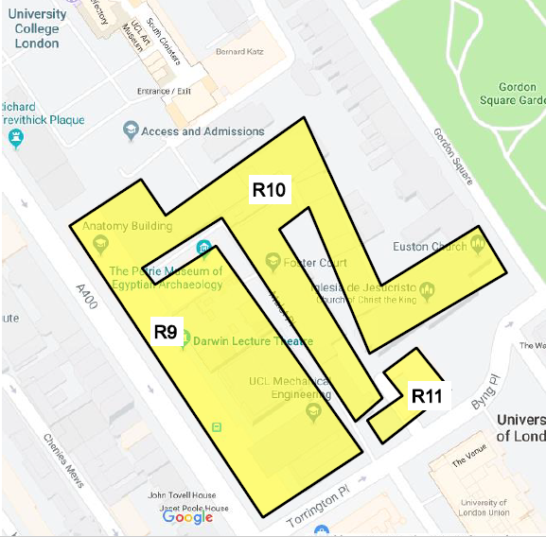
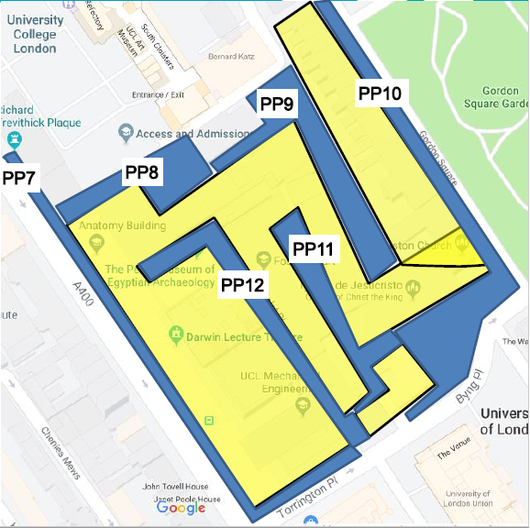

SuDS - Swale
Area (Ab) |  |  | Area Drainage |  | Depth |  |  | StorVOL available
SW1 | 100 |  | AD1 | from PP1 | hmax | 0.20 | m |  | m3
SW2 | 100 |  | AD2 | from PP1

 |  |  |  |  | Q | 0.25 | m3/s |  | 0.21
 |  |  |  |  | S | 0.01 |  |  | 0.01
 |  |  |  |  | n | 0.10 |  |  | 0.1
 |  |  |  |  | A | 0.22 |  |  | 0.1
 | 200 | m2 |  |  | P | 1.76 |  |  | 1.08
 |  |  |  |  | b | 0.5
Area Drainage |  |  |  |  | alpha | 0.3217505544
AD | 5,760 | m2

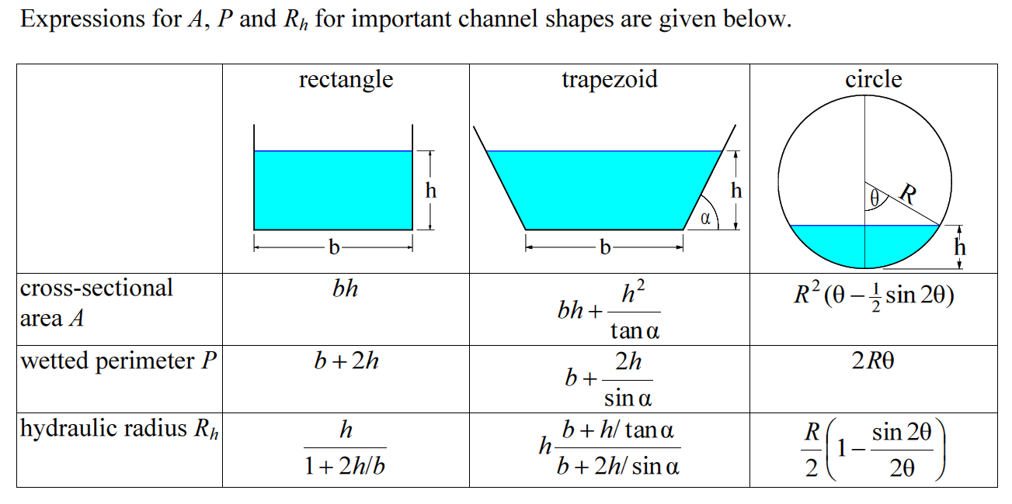
Storms
i (mm/h) | 12 | (100y)
D | 6 | (6h)
i (mm/h) | 70 | (100y)
D | 0.5 | 30min
i (mm/h) | 45 | (100y)
D | 1 | 1h
i (mm/h) | 25 | (100y)
D | 2 | 2h
i (mm/h) | 15 | (100y)
D | 4 | 4h
i (mm/h) | 4 | (100y)
D | 24 | (24h)

