Feasibility RC-C25 (en)
Beton RC-C25 - Feasibility study

VOLUMES - METRES - SIA 416 - STRUCTURES TO BE DEMOLISHED

Elements of concrete to demolished and crushed | Floor height (m) | Slab area (m2) | Linear meters of walls (m) | Walls |  | Walls |  | Walls |  | Raft |  | Slabs |  | Slabs |  | Total (To)
 |  |  |  | Th | 20 cm | Th | 25 cm | Th | 40 cm | Th | 100 cm | Th | 20 cm | Th | 22 cm
roof | 0.0 m | 0.00 m2 | 0.0 m |  | 0.0 To |  | 0.0 To |  | 0.0 To |  | 0.0 To | x | 0.0 To |  | 0.0 To | 0.0 To
5th floor | 0.0 m | 0.00 m2 | 0.0 m |  | 0.0 To |  | 0.0 To |  | 0.0 To |  | 0.0 To |  | 0.0 To |  | 0.0 To | 0.0 To
4th floor | 0.0 m | 0.00 m2 | 0.0 m | x | 0.0 To |  | 0.0 To |  | 0.0 To |  | 0.0 To | x | 0.0 To |  | 0.0 To | 0.0 To
3rd floor | 0.0 m | 0.00 m2 | 0.0 m | x | 0.0 To |  | 0.0 To |  | 0.0 To |  | 0.0 To | x | 0.0 To |  | 0.0 To | 0.0 To
2nd floor | 0.0 m | 0.00 m2 | 0.0 m | x | 0.0 To |  | 0.0 To |  | 0.0 To |  | 0.0 To | x | 0.0 To |  | 0.0 To | 0.0 To
Upper Floor | 0.0 m | 0.00 m2 | 0.0 m | x | 0.0 To |  | 0.0 To |  | 0.0 To |  | 0.0 To | x | 0.0 To |  | 0.0 To | 0.0 To
Ground floor | 0.0 m | 0.00 m2 | 0.0 m | x | 0.0 To |  | 0.0 To |  | 0.0 To |  | 0.0 To | x | 0.0 To |  | 0.0 To | 0.0 To
Slab on parking lot |  | 0.00 m2 |  |  | 0.0 To |  | 0.0 To |  | 0.0 To |  | 0.0 To |  | 0.0 To |  | 0.0 To | 0.0 To
Basement -1 | 0.0 m | 0.00 m2 | 0.0 m |  | 0.0 To |  | 0.0 To |  | 0.0 To |  | 0.0 To |  | 0.0 To |  | 0.0 To | 0.0 To
Basement -2 | 0.0 m | 0.00 m2 | 0.0 m |  | 0.0 To |  | 0.0 To |  | 0.0 To |  | 0.0 To |  | 0.0 To |  | 0.0 To | 0.0 To
Basement -3 | 0.0 m | 0.00 m2 | 0.0 m |  | 0.0 To |  | 0.0 To |  | 0.0 To |  | 0.0 To |  | 0.0 To |  | 0.0 To | 0.0 To
Fundation Raft |  | 0.00 m2 |  |  | 0.0 To |  | 0.0 To |  | 0.0 To |  | 0.0 To |  | 0.0 To |  | 0.0 To | 0.0 To
Fundation piles |  |  |  |  | 0.0 To |  | 0.0 To |  | 0.0 To |  | 0.0 To |  | 0.0 To |  | 0.0 To | 0.0 To
Concrete Density | 2.5 | To/m3 |  |  | 0.0 To |  | 0.0 To |  | 0.0 To |  | 0.0 To |  | 0.0 To |  | 0.0 To | 0.0 To

DEMOLITION - POTENTIAL

Tonnage of concrete in place to be demolished | 0.0 To |  | Hypothesis of the withdrawal of fines < 8mm before crushing |  |  |  |  |  | 15%
Fines shrinkage of less than 8mm before crushing | 0.0 To
Possible tonnage for crushing | 0.0 To

NEW CONSTRUCTION - NEED

Permissible volume RC-C25 according to civil engineer |  |  | % recycled in RC-C25 recipe |  |  |  |  |  | 25%
% of eligible RC-C25 concrete proposed in the description | 50% |  | Recycled aggregate density assumption |  |  |  |  |  | 2.5
RC-C25 Concrete Requirements | 0.0 m3
Screened recycled aggregate requirements | 0.0 To

LOGISTICS - STORAGE
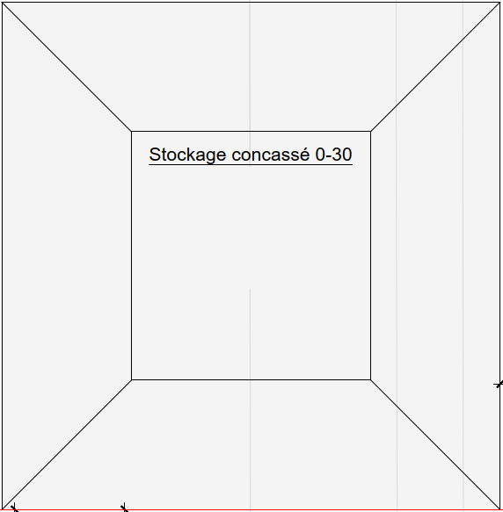

Recycled aggregate density assumption | 2.5
Hypothesis of aggregate expansion after crushing | 1.6 |  | 2.2 m
Expanded volume to be stored after crushing | 0.0 m3
Max storage height (m) | 4.5 m |  |  |  |  |  |  |  |  |  |  |  | 0.0 m
Maximum storage slope | 30.0 °
Crushed Storage 0-30mm | 0-30 mm
Available floor length for storage area | 10.0 m
Available area in the construction site facility | 0.0 m2 |  | 10.0 m
Calculated floor width for storage area | 0.0 m
Area to be made available for storage of crushed pellets | 0.0 m2
 |  |  |  |  |  |  |  |  | 10.0 m

FEASIBILITY CHECK

Demolition aggregates in sufficient quantity for new project |  |  | YES |  | YES | YES | YES
Sufficient intermediate storage space |  |  | YES |  | NO | NO | NO

ECONOMIC SUSTAINABILITY

Concrete requirement RC-C25 | 0.0 To
Savings - Deduction | Material |  |  |  | Unit |  | Quantity |  | Cost per unit |  |  |  | Transport |  | Total
 | Supply of 0/32 aggregates RCC compensation |  |  |  | To |  | 0 To |  | 18.4 CHF/To |  |  |  | 0 |  | 0 CHF
 | Transport and tax on clean concrete landfill 80 % |  |  |  | To |  | 0 To |  | 12.5 CHF/To |  |  |  | 0 |  | 0 CHF
 | Total |  |  |  | To |  |  |  |  |  |  |  |  |  | 0 CHF

Costs | Material |  |  |  | Unit |  | Quantity |  | Cost per unit |  |  |  | Transport |  | Total
 | Site installation |  |  |  | u |  | 1 |  | 5,000 CHF |  |  |  |  |  | 5,000 CHF
 | Feeding and crushing 0/22 |  |  |  | To |  | 0 To |  | 8 CHF/To |  |  |  |  |  | 0 CHF
 | In-situ storage after crushing |  |  |  | To |  | 0 To |  | 2 CHF/To |  |  |  |  |  | 0 CHF
 | Weather protection tarpaulin system |  |  |  | p |  | 1 To |  | 3000 CHF |  |  |  |  |  | 3,000 CHF
 | RCC and natural aggregate supply concrete plant |  |  |  | months |  | 3 months |  | 1500 CHF/months |  |  |  |  |  | 4,500 CHF
 | Additional cost of certification for concrete batching plant |  |  |  | m3 |  | 0 m3 |  | 2 CHF/m3 |  |  |  |  |  | 0 CHF
 | RCC concrete aggregates certification |  |  |  | To |  | 0 To |  | 3 CHF/To |  |  |  |  |  | 0 CHF
 | Total |  |  |  |  |  |  |  |  |  |  |  |  |  | 12,500 CHF

Economic viability |  |  |  |  |  |  |  |  |  |  |  |  |  |  | -12,500 CHF

OUI
NON

