Mobilis subscription
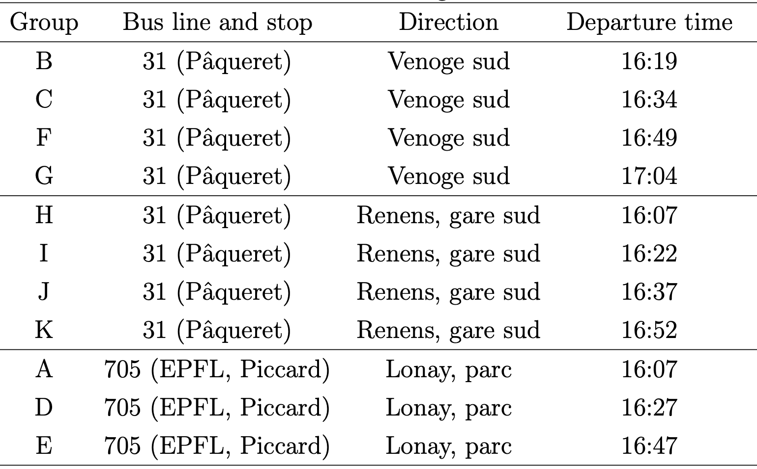
Which of the following best describes your case?
I have a Mobilis plan that covers all zones 11/12/30/33 (e.g. AG)
I have a Mobilis plan that covers all zones 11/12/30/33 (e.g. AG)
I have a Mobilis subscription with only zones 11/12 but not for zones 30/33, and a half-fare card
I only have a demi-tarif (half-fare) card
I have a Mobilis subscription with only zones 11/12 but not for zones 30/33, and a half-fare card
I have a Mobilis plan that covers all zones 11/12/30/33 (e.g. AG)
I only have a demi-tarif (half-fare) card
I only have a demi-tarif (half-fare) card
I don't have ANY type of mobility subscription described by the options below
I have a Mobilis subscription with only zones 11/12 but not for zones 30/33, and a half-fare card
I have a Mobilis plan that covers all zones 11/12/30/33 (e.g. AG)
I have a Mobilis plan that covers all zones 11/12/30/33 (e.g. AG)
I don't have ANY type of mobility subscription described by the options below
I have a Mobilis plan that covers all zones 11/12/30/33 (e.g. AG)
I have a Mobilis plan that covers all zones 11/12/30/33 (e.g. AG)
I have a Mobilis subscription with only zones 11/12 but not for zones 30/33, and NO half-fare card
I only have a demi-tarif (half-fare) card
I have a Mobilis plan that covers all zones 11/12/30/33 (e.g. AG)
I only have a demi-tarif (half-fare) card
I don't have ANY type of mobility subscription described by the options below
I have a Mobilis plan that covers all zones 11/12/30/33 (e.g. AG)
I don't have ANY type of mobility subscription described by the options below
I only have a demi-tarif (half-fare) card
I have a Mobilis plan that covers all zones 11/12/30/33 (e.g. AG)
I don't have ANY type of mobility subscription described by the options below
I don't have ANY type of mobility subscription described by the options below
I have a Mobilis subscription with only zones 11/12 but not for zones 30/33, and NO half-fare card
I don't have ANY type of mobility subscription described by the options below
I don't have ANY type of mobility subscription described by the options below
I don't have ANY type of mobility subscription described by the options below
I have a Mobilis plan that covers all zones 11/12/30/33 (e.g. AG)
I have a Mobilis subscription with only zones 11/12 but not for zones 30/33, and NO half-fare card
I only have a demi-tarif (half-fare) card
I don't have ANY type of mobility subscription described by the options below
I don't have ANY type of mobility subscription described by the options below
I only have a demi-tarif (half-fare) card

